Risk Assessment Matrix
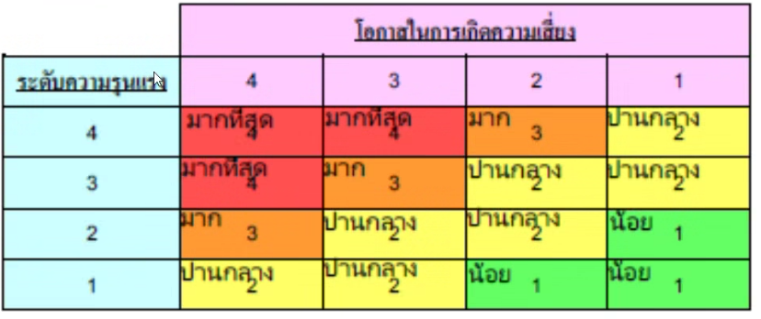

Risk Assessment Matrix : 4X4

